Sheet1
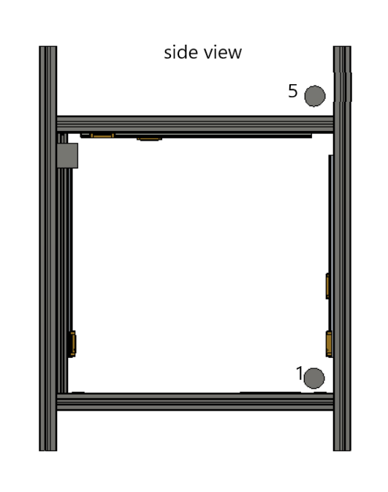
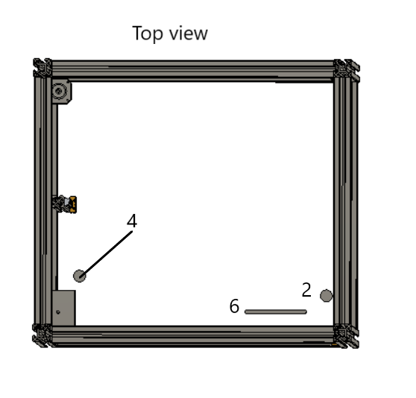
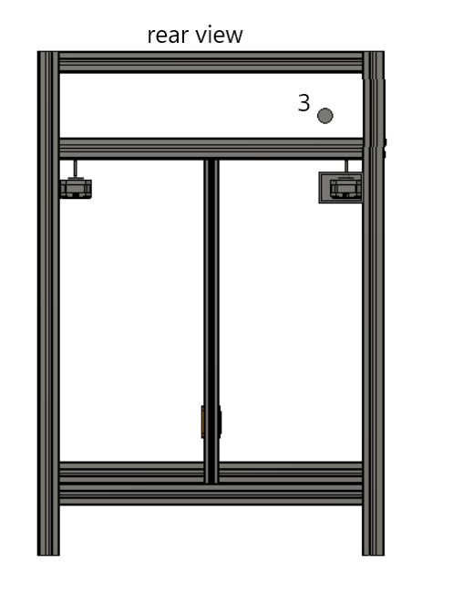
 | position on dry box | To position on Printer | Easy to load | soft filament compatable | Path Length to Run out sensor(not to sensor ) | Need to open door | Filament totally constrained | 6MM PTFE tube hidden from view from bow | comments | position on DWG | Radius minium size | number of bends | trasition point,3mm to 2mm location | run out sesor location | can the panel be removed where the PTFE entry point is | drawere can open on close
 | Stern Midpoint | stb/prt side bow 150mm up into the base | Y | Y | (840) | Y | N | N | Visable on thelower side of printer | 1
 | Stern Midpoint | stb/prt side bow through base into chamber | Y | Y | (840) | Y | N | Y |  | 2
 | Stern Midpoint | stb/prt/mid stern 40mm from top into chamber | Y | N | 1240 | N | Y | Y | not easy to access the Run out sensor as it would be at the rear either in/out out of the chamber | 3 | 100 | 3 | 5 | 5 | possible | y
 | Stern Midpoint | stb/prt stern through base into chamber | Y | Y | (640) | Y | N | Y | moderate access to filament | 4
 | stb/prt Side bow 20mm from front, mid hight | stb/prt side bow through side 40mm from top into chamber | Y | Y(1) | 840 | N | Y | N | PTFE tube may need to be clipped into place after closing drawer, else be waving in the breeze , loose spot for desicant container | 5 | 100 | 2 | 5 | 5 | possible | y
 | stb/prt Side bow 20mm from front, mid hight | stb/prt stern through base into chamber | Y | Y | (840) | Y | N | Y | Ptfe Tube sharp 90deg bend out of drawer and PTFE tube unconstrained | 4
 | stb/prt Side bow 20mm from front, mid hight | stb/prt side bow through front base at an angle up into the chamber | Y | Y | (420) | Y | N | Y | would have to feed PTFE tube into chamber as you close the drawer | 6
 | Stern Midpoint | up througn base near front | y | y | 1200 | N | Y | Y | Exit path out top of printer | 2 | 60 | 4 | top of printer | top of printer | possible | y

1 | may need help getting soft filament through runout sensor

 | All options for the tube coming out of the front of the dry box not prctical unless the rolls were vertical would need dry box 250mm deep , this may be worth looking at in the future .COG issues :)

